2030 planned
Planned/Under construction 2026-2030 (Deutsche WindGuard 2025 Q1-2 chrome-extension://efaidnbmnnnibpcajpcglclefindmkaj/https://www.offshore-stiftung.de/dokumente/publikationen/Status-of-Offshore-Wind-Energy-Development_First-Half-2024_final.pdf)
2026/01/09 | Germany | He Dreiht wind farm | -- |  |  | 960 | Offshore hard mount | construction | 2026 | EnBW Energie Baden-Württemberg | EnBW Energie Baden-Württemberg AG [100%] |  | 54.365 | 6.186 | exact | Borkum |  | Western Europe | Europe | L100000916283 | G100000920095 | MaStR: SEE915685966667 | https://www.gem.wiki/He_Dreiht_wind_farm
2025/03/20 | Germany | Windanker wind farm | -- |  |  | 300 | Offshore hard mount | pre-construction | 2026 |  | Iberdrola Renovables Energia SA [100%] |  | 54.8353 | 13.9727 | approximate |  |  | Western Europe | Europe | L100000916109 | G100000919886 |  | https://www.gem.wiki/Windanker_wind_farm
2025/03/26 | Germany | Gennaker wind farm | -- |  |  | 945 | Offshore hard mount | pre-construction | 2027 |  | Skyborn Renewables GmbH |  | 54.5573 | 12.4409 | approximate |  |  | Western Europe | Europe | L100000916278 | G100000920089 |  | https://www.gem.wiki/Gennaker_wind_farm
2025/03/26 | Germany | Nordseecluster (NC) 1 wind farm | -- |  | Area N-3.7, Nordseecluster A (NC 1) | 225 | Offshore hard mount | pre-construction | 2027 |  | RWE AG |  | 53.8304 | 7.0603 | approximate |  |  | Western Europe | Europe | L100001046006 | G100001051874 | MaStR: SEE948698248963 | https://www.gem.wiki/Nordsee_1_wind_farm
2025/03/26 | Germany | Nordseecluster (NC) 2 wind farm | -- |  | Nordseecluster A (NC 2), Area N-3.8 | 435 | Offshore hard mount | pre-construction | 2027 |  | RWE AG [51%]; Northland Power Inc [49%] | True | 53.8214 | 6.9534 | approximate |  | Lower Saxony | Western Europe | Europe | L100000916188 | G100000919982 | MaStR: SEE912766297955 | https://www.gem.wiki/Nordsee_2_wind_farm
2025/03/26 | Germany | Atlantis I wind farm | -- |  |  | 584 | Offshore hard mount | pre-construction | 2028 |  | Vattenfall AB |  | 54.2645 | 5.9495 | exact | Borkum |  | Western Europe | Europe | L100000916234 | G100000920036 |  | https://www.gem.wiki/Atlantis_I_wind_farm
2025/03/26 | Germany | Nordlicht wind farm | 1 |  | Area N-7.2, Global Tech wind farm 2 | 980 | Offshore hard mount | pre-construction | 2028 |  | BASF SE [49%]; Vattenfall AB [51%] |  | 53.6451 | 6.719 | approximate |  | North Sea | Western Europe | Europe | L100000921746 | G100000920000 |  | https://www.gem.wiki/Nordlicht_wind_farm
2025/03/26 | Germany | Nordlicht wind farm | 2 |  | Area N-7.2, Global Tech wind farm 2 | 630 | Offshore hard mount | pre-construction | 2028 |  | Vattenfall AB [51%]; BASF SE [49%] |  | 53.6451 | 6.719 | approximate |  | North Sea | Western Europe | Europe | L100000921746 | G100001005012 |  | https://www.gem.wiki/Nordlicht_wind_farm
2025/03/26 | Germany | Delta Nordsee wind farm | -- |  | Nordseecluster B (NC 4), Area N-3.6 | 480 | Offshore hard mount | pre-construction | 2029 |  | RWE AG [51%]; Northland Power Inc [49%] |  | 53.7985 | 6.8601 | approximate |  | Lower Saxony | Western Europe | Europe | L100000916196 | G100000919993 |  | https://www.gem.wiki/Delta_Nordsee_wind_farm
2025/03/26 | Germany | Nordseecluster (NC) 3 wind farm | -- |  | Area N-3.5, Nordseecluster B (NC 3) | 420 | Offshore hard mount | pre-construction | 2029 |  | RWE AG [51%]; Northland Power Inc [49%] |  | 53.8013 | 6.9267 | approximate |  | Lower Saxony | Western Europe | Europe | L100000916185 | G100000919979 |  | https://www.gem.wiki/Nordsee_3_wind_farm
 |  | NC 4 |  |  |  | 480 |  |  | 2029
 |  | Waterekke (N-9.3) |  |  |  | 1500
 |  | Oceanbeat West (N-12.2) |  |  |  | 2000

 |  |  |  |  |  | 9939

From BSH DE North+Balitc sea development plan 2023 chrome-extension://efaidnbmnnnibpcajpcglclefindmkaj/https://www.bsh.de/EN/TOPICS/Offshore/Sectoral_planning/Site_development_plan_2023/_Anlagen/Downloads/English/Site_development_plan_2023.pdf?__blob=publicationFile&v=2

Commissioning calendar year | Site designation | Tender calendar year | Calendar year/quarter of commissioning | MW Expected Capacity | Commissioning per calendar year [MW] | Designation of grid connection system | Calendar year/quarter Commissioning | Transmission capacity [MW] | Gate to the territorial sea
2026 | N-3.7 | 2021 | 2026 (QIII) | 225 | 958 | NOR-3-3 | n/a | 900 | N-II
2026 | N-3.8 | 2021 | 2026 (QIII) | 433
2026 | O-1.3 | 2021 | 2026 (QIII) | 300 |  | OST-1-4 | 2026 (QIII) | 300 | O-I
2027 | N-7.2 | 2022 | 2027 (QIV) | 980 | 980 | NOR-7-2 | 2027 (QIV) | 980 | N-V
2028 | N-3.5 | 2023 | 2028 (QIII) | 420 | 1800 | NOR-3-2 | 2028 (QIII) | 900 | N-II
2028 | N-3.6 | 2023 | 2028 (QIII) | 480 |  | NOR-6-3 | 2028 (QIV) | 900 | N-II
2028 | N-6.6 | 2023 | 2028 (QIV) | 630
2028 | N-6.7 | 2023 | 2028 (QIV) | 270
2029 | N-9.1 | 2024 | 2029 (QIII) | 2000 | 5500 | NOR-9-1 | 2029 (QIII) | 2000 | N-II
2029 | N-9.2 | 2024 | 2029 (QIII) | 2000 |  | NOR-9-2 | 2029 (QIII) | 2000 | N-III
2029 | N-9.3 | 2024 | 2029 (QIV) | 1500 |  | NOR-9-3 | 2029 (QIV) | 2000 | N-III
2030 | N-10.2 | 2025 | 2030 (QIII) | 500 | 9500 | NOR-12-1 | 2030 (QIII) | 2000 | N-III
2030 | N-12.1 | 2023* | 2030 (QIII) | 2000 |  | NOR-12-2 | 2030 (QIV) | 2000 | N-V
2030 | N-12.2 | 2023* | 2030 (QIV) | 2000 |  | OST-2-4 | 2030 (QIII) | 2000 | O-I
2030 | O-2.2 | 2023* | 2030 (QIII) | 1000 |  | NOR-10-1 | 2030 (QIII) | 2000 | N-II
2030 | N-10.1 | 2025 | 2030 (QIII) | 2000 |  | NOR-11-1 | 2030 (QIII) | 2000 | N-V
2030 | N-11.1 | 2023* | 2030 (QIII) | 2000 |  | NOR-11-2 | 2031 (QIII) | 2000 | N-III
2031 | N-11.2 | 2024* | 2031 (QIII) | 1500 | 4000 | NOR-13-1 | 2031 (QIII) | 2000 | N-III
2031 | N-13.1 | 2026 | 2031 (QIII) | 500
2031 | N-12.3 | 2024* | 2031 (QIII) | 1000
2031 | N-13.2 | 2026 | 2031 (QIII) | 1000
2032 | N-21.1 | 2027 | 2032 (QIII) | 2000 | 4000 | NOR-21-1 | 2032 (QIII) | 2000 | N-II
2032 |  | 2025* | 2032 (QIII) | 2000 |  | n/a | 2032 (QIII) | 2000 | n/a
2033 | within expansion areas** | 2028 | 2033 (QIII) | 2000 | 4000 | n/a | 2033 (QIII) | 2000 | n/a
2033 |  | 2026 | 2033 (QIII) | 2000
2034*** |  | 2027* | 2034 (QIII) | 2000 | 2000 | n/a | 2034 (QIII) | 2000 | n/a
2035*** |  | 2028* | 2035 (QIII) | 2000 | 2000 | n/a | 2035 (QIII) | 2000 | n/a
 | Total designations and informational outlook for Site Development Plan: |  |  | 34738
 | Projected status 2025: |  |  | 10800
 | Gennaker OWF (territorial sea of Mecklenburg–Western Pomerania): |  |  | 900
 | Total: |  |  | 46438

 |  |  | check total | 34738 | 34738
 |  |  | new 2026-2030 | 17780

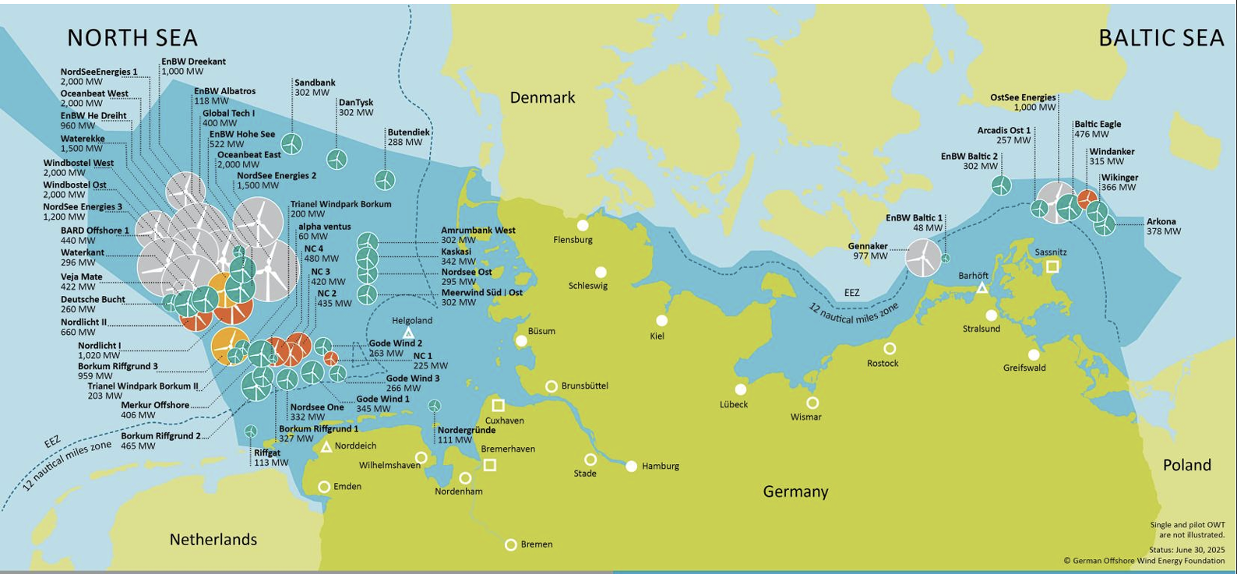

Taken from chrome-extension://efaidnbmnnnibpcajpcglclefindmkaj/https://www.offshore-stiftung.de/dokumente/publikationen/Status-of-Offshore-Wind-Energy-Development_First-Half-2024_final.pdf

